Details regarding BAU
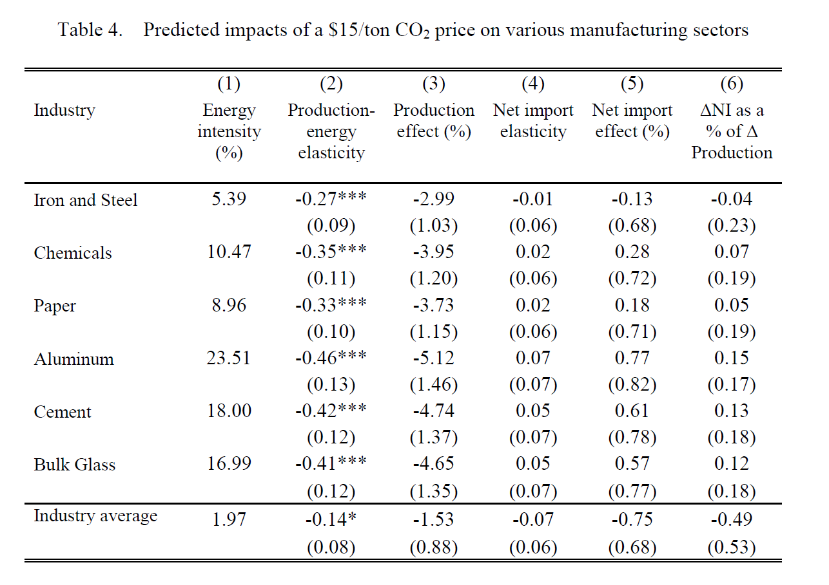
Coal for cement and NGPS
Aldy and Pizer note that the chemicals industry includes petroleum refining.

Oil extraction is not covered under these manufacturing results (or under manufacturing in general).
Oil and gas extraction are considered to come under "mining," or extractive industries.
But the coal use in California is entirely within refining and not in extraction.
Therefore, apply the elasticity without adjustment for inclusion of oil extraction.

Cement | -0.42
NGPS | -0.35

Aldy and Pizer comment on their's being short run elasticities as follows:

"Like much of the literature on estimating energy price elasticities,
we estimate output and competitiveness effects in an empirical framework that focuses on short-run responses to a change in energy prices.
In practice, a firm may respond to a carbon price – expecting it to be permanent – differently than to an idiosyncratic energy price shock.
We note, however, that the volatility in allowance market prices, such as in the EU Emission Trading Scheme for carbon dioxide and other cap-and-trade programs (Aldy and Viscusi 2014),
may undermine firms’ abilities to predict and plan for carbon prices. In this case, a short-run response through our empirical approach
may provide a plausible simulation of firm behavior under climate change regulation characterized by volatile carbon prices."

